pic
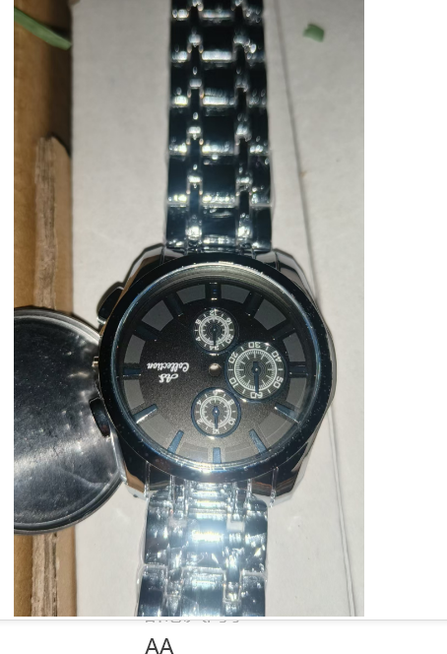
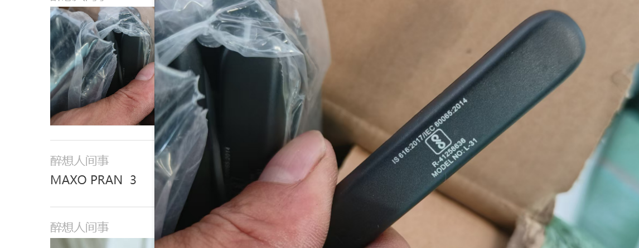
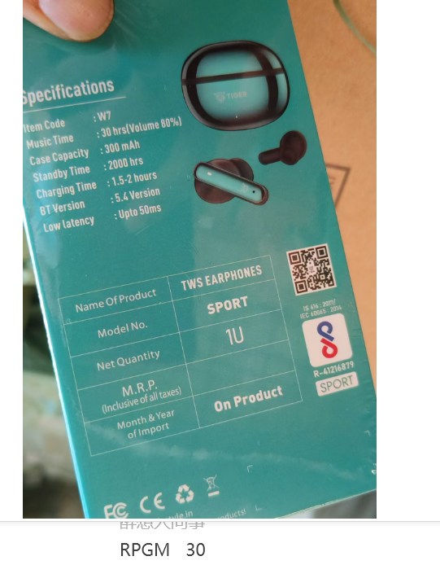
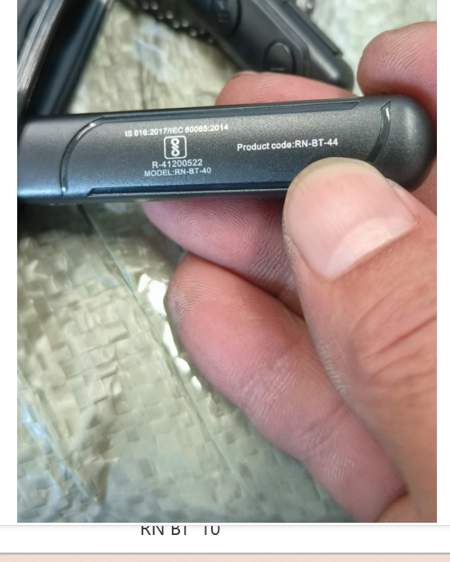

AA:37 CTN WATCH |  | MAXO:3 CTN BT NEVKBAND | RPGM:-30 CTN BT AIRPOD | RN BT:-10 CTN BT NECKBAND

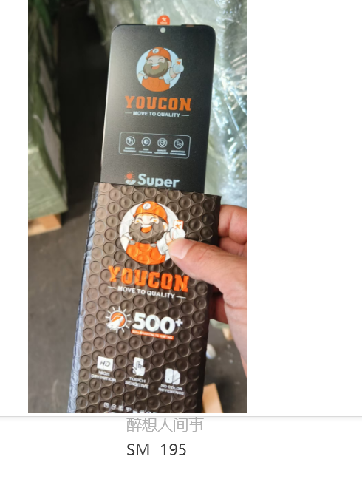
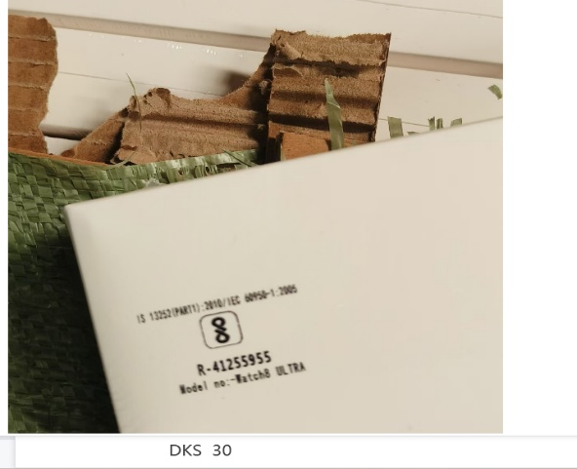
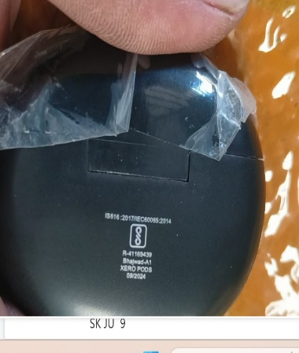
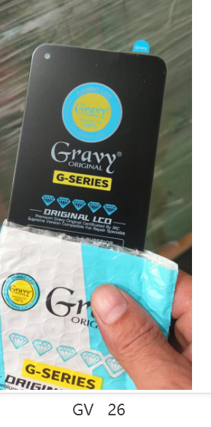

SKJU:-9 CTN BT AIRPOD |  | GV:26 CTN LVD | SM:195 CTN LCD | DKS:30 CTN SMART WATCH

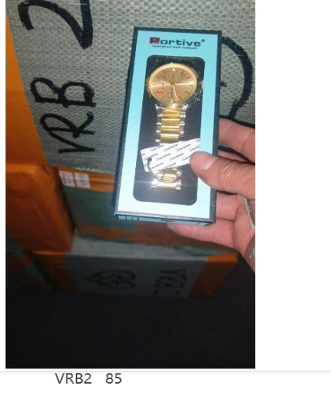
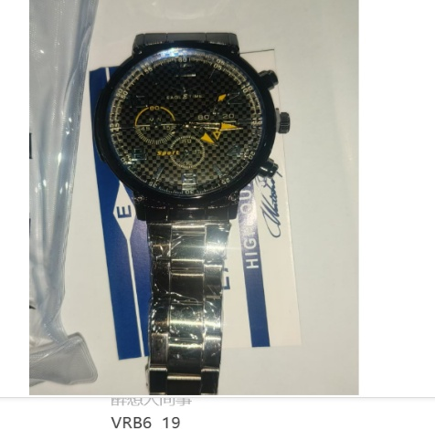
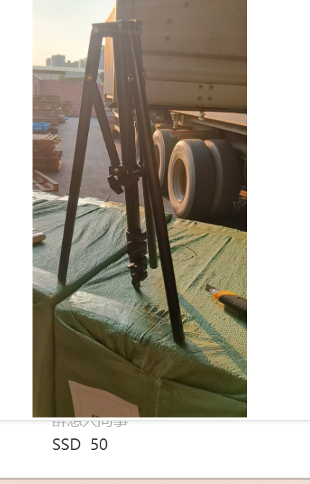
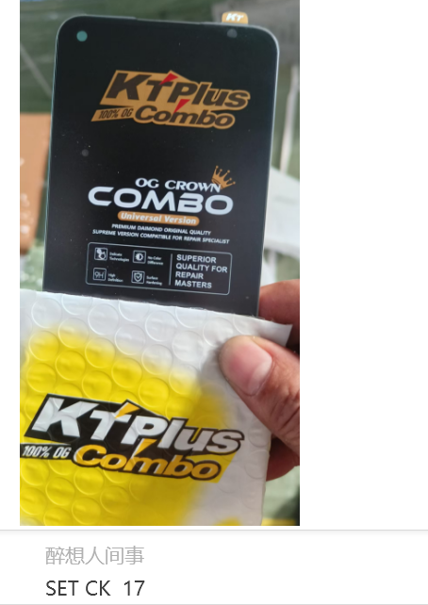

VRB6:-19 CTN WATCH |  | VRB2:-85 CTN WATCH | SSD:50 CTN TRIPOD | SET CK:-17 CTN LCD

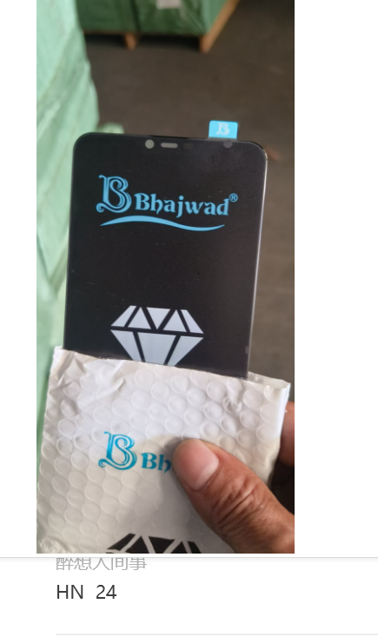
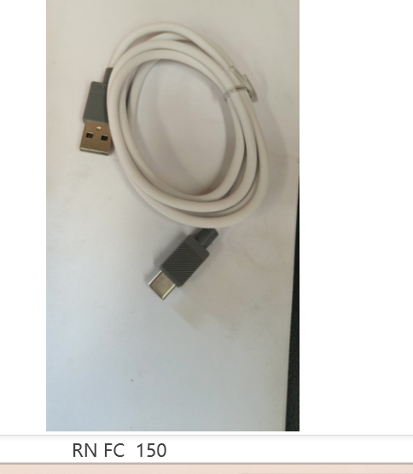
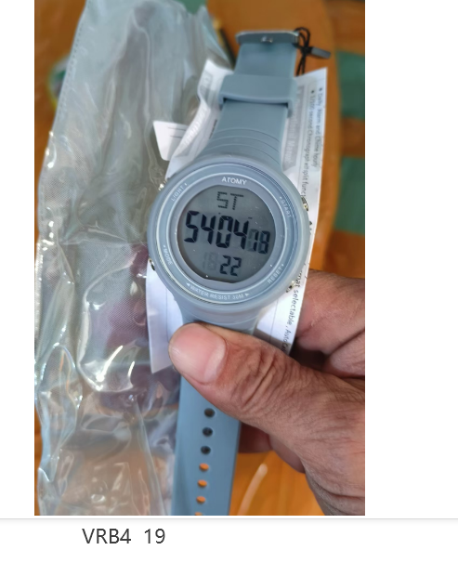
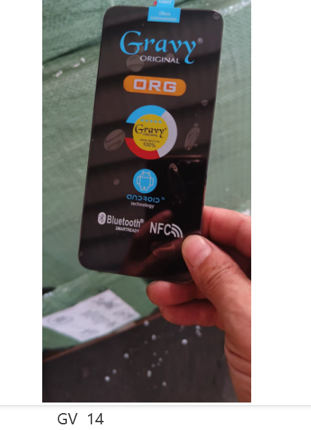

HN:24 CTN LCD | RN FC:-150 CTN USB CABLE |  | VRB4:-19 CTN WATCH | GV:14 CTN LCD
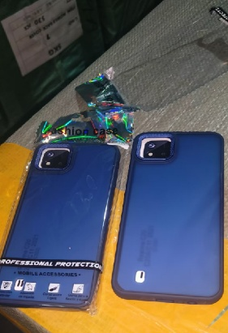
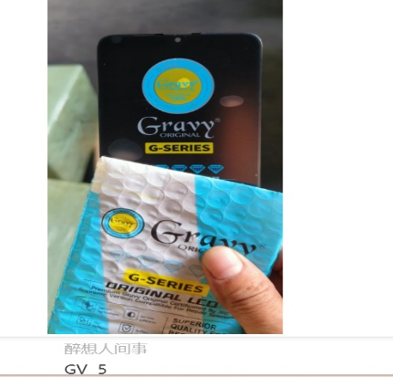

GV:5 CTN LCD | SKG:13 CTN BACK COVER

